Use Case
CASE :

 | Is there any different response on these two promotions between Starbucks customers in different age groups?

 |  | A. 50% off | B. Buy one ,get one free (BOGF)
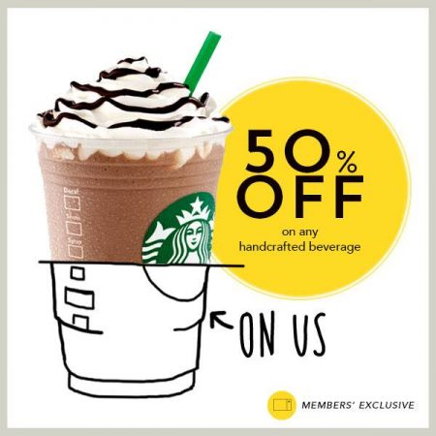
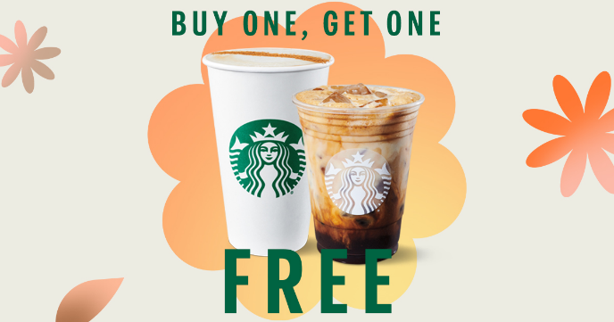

Target Group :

 | Starbucks Customer in 3 age Starbucks Customer in 3 age ranges
 | 1) | 20 - 30
 | 2) | 30 - 40
 | 3) | 40 - 50

A/B Testing Process :

 | See in Note A.

A/B Result :

 | There is no different response on these two promotions between Starbucks customers in different age groups

